Sheet1
Art code | Image | Description |  |  |  |  |  | Brand | Qty
 | 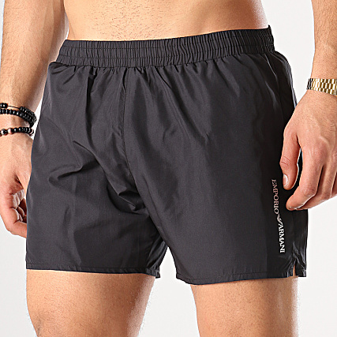 | ULTRA LIGHT PACKABLE BOXER |  |  |  |  |  | ARMANI | 185
 |  | SIZE | XS | S | M | L | XL
 |  | QTY | 25 | 50 | 75 | 25 | 10
211746 9P424 00032 | 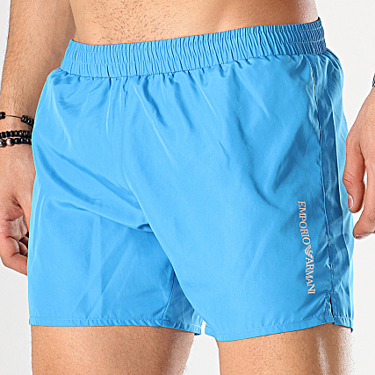 | ULTRA LIGHT PACKABLE BOXER |  |  |  |  |  | ARMANI | 185
 |  | SIZE | XS | S | M | L | XL
 |  | QTY | 25 | 50 | 75 | 25 | 10
211746 9P424 06935 |  | ULTRA LIGHT PACKABLE BOXER NAVY |  |  |  |  |  | ARMANI | 375
 |  | SIZE | XS | S | M | L | XL
 |  | QTY | 50 | 100 | 150 | 50 | 25

